Q2
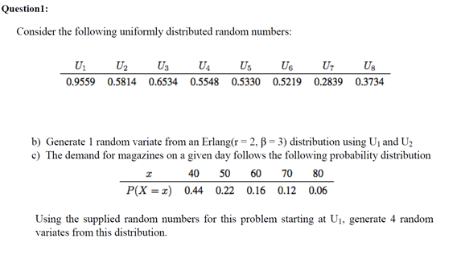

bj-1 | bj | x | u | x | u | x
0 | 0.22 | 40 | 0.15816790084 | 40 | 0.15816790084 | 40
0.22 | 0.66 | 50 | 0.3916716697 | 50 | 0.3916716697 | 50
0.66 | 0.82 | 60 | 0.31037784691 | 50 | 0.31037784691 | 50
0.82 | 0.94 | 70 | 0.75382501896 | 60 | 0.75382501896 | 60
0.94 | 1 | 80 | 0.28419093539 | 50 | 0.28419093539 | 50
 |  |  | 0.29689059345 | 50 | 0.29689059345 | 50

Q3
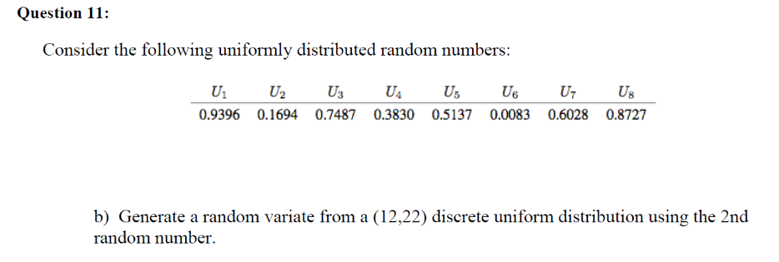

a | 12
b | 22

u | x
0.76474045502 | 20

Q4
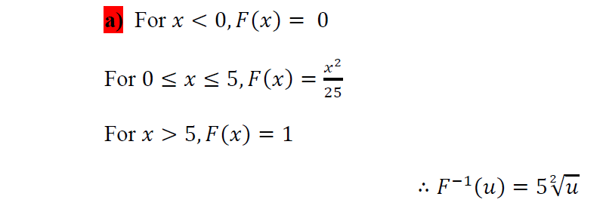

u | x
0.37363289268 | 3.0562758902
0.5238987737 | 3.6190426003

Q5
- We want to build a model simulates the work of a supermarket that is open 12 hours per day . The time between arrivals in this supermarket is following weibull distribution with parameters (alpha= 2 ; beta = 1.7) per hour. The number of sold pieces for each customer is following binomial (7,0.4). Each customer will pay an amount between 5$ and 20$ with equally likely probability.

 | alpha | 2 |  | n | 7 | a | 5
 | beta | 1.7 |  | p | 0.4 | b | 20

#cust | u | TBA | AT | u | No. pieces | u | Amount
1 | 0.882 | 2.483 | 2.483 | 0.807 | 4 | 0.102 | 6.531
2 | 0.272 | 0.958 | 3.441 | 0.835 | 4 | 0.429 | 11.428
3 | 0.944 | 2.886 | 6.327 | 0.359 | 2 | 0.961 | 19.422
4 | 0.175 | 0.746 | 7.073 | 0.383 | 2 | 0.640 | 14.600
5 | 0.196 | 0.793 | 7.866 | 0.456 | 3 | 0.604 | 14.055
6 | 0.844 | 2.316 | 10.182 | 0.786 | 4 | 0.910 | 18.651
7 | 0.162 | 0.715 | 10.898 | 0.728 | 4 | 0.591 | 13.864
8 | 0.444 | 1.303 | Stop | 0.365 | 2 | 0.900 | 18.494

